Request(list your BOM here)
訂購 | 編號 | 零件 Parts | 說明 Specification | 數量 Q'ty | 價格 (NT) | 照片 Photo | 參考連結 Reference Website
√ | 1 | FireBeetle ESP32-E IoT Microcontroller (ESP-WROOM-32E) 物聯網開發板 | The aquarium is a popular container for creating underwater ecosystems | 1 | 465(553) , 800 Offline | 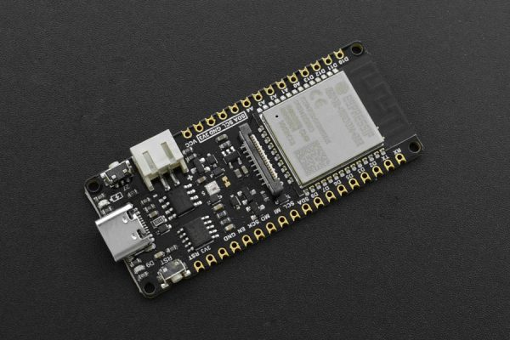 | https://www.taiwansensor.com.tw/product/firebeetle-esp32-e-iot-microcontroller-esp-wroom-32e-%e7%89%a9%e8%81%af%e7%b6%b2%e9%96%8b%e7%99%bc%e6%9d%bf/
√ | 2 | BME280 Environment Sensor | The Wemos D1 Mini V2 is powered by the robust ESP8266 microcontroller, which is an integrated single-chip solution with built-in Wi-Fi capabilities, making it suitable for network-connected applications." | 1 | 650 | 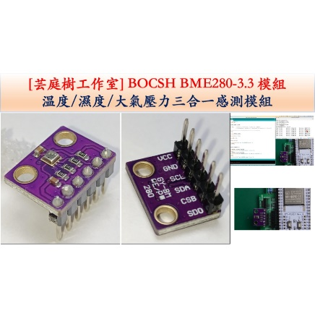 | https://shopee.tw/-%E8%8A%B8%E5%BA%AD%E6%A8%B9-GY-BME280-3.3-%E9%AB%98%E7%B2%BE%E5%BA%A6-%E6%B8%A9%E6%BF%95%E5%BA%A6%E8%A8%88-%E5%A4%A7%E6%B0%A3%E5%A3%93%E5%BC%B7%E5%82%B3%E6%84%9F%E5%99%A8-BME280-ESP32-i.54445610.21625210779?sp_atk=b817fce3-ed96-4902-84ce-4bd6e49d70cf&xptdk=b817fce3-ed96-4902-84ce-4bd6e49d70cf
√ | 3 | Display OLED 128X64 I2C | Display OLED 128X64 I2C is an OLED (organic light-emitting diode) display that provides a resolution of 128x64 pixels and supports the I2C communication protocol. | 1 | 75 | 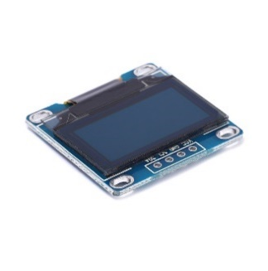 | https://shopee.tw/%E3%80%90%E7%A5%A5%E6%98%8C%E9%9B%BB%E5%AD%90%E3%80%91Arduino%E7%B3%BB%E5%88%97-0.96%E5%90%8B-OLED-%E8%A3%B8%E5%B1%8F-128x64-%E5%B1%8F%E5%B9%95%E9%A1%AF%E7%A4%BA%E6%A8%A1%E5%A1%8A-SSD1306%E9%A9%85%E5%8B%95-I2C%E4%BB%8B%E9%9D%A2-i.27742636.4938355379?sp_atk=5ddb5aef-f759-4ae0-a56e-d087019a0308&xptdk=5ddb5aef-f759-4ae0-a56e-d087019a0308
√ | 4 | SEN219，DFR原廠 紅外CO2二氧化碳傳感器 Infrared CO2 Sensor 0-5000ppm | provides electrical energy | 1 | 2196 | 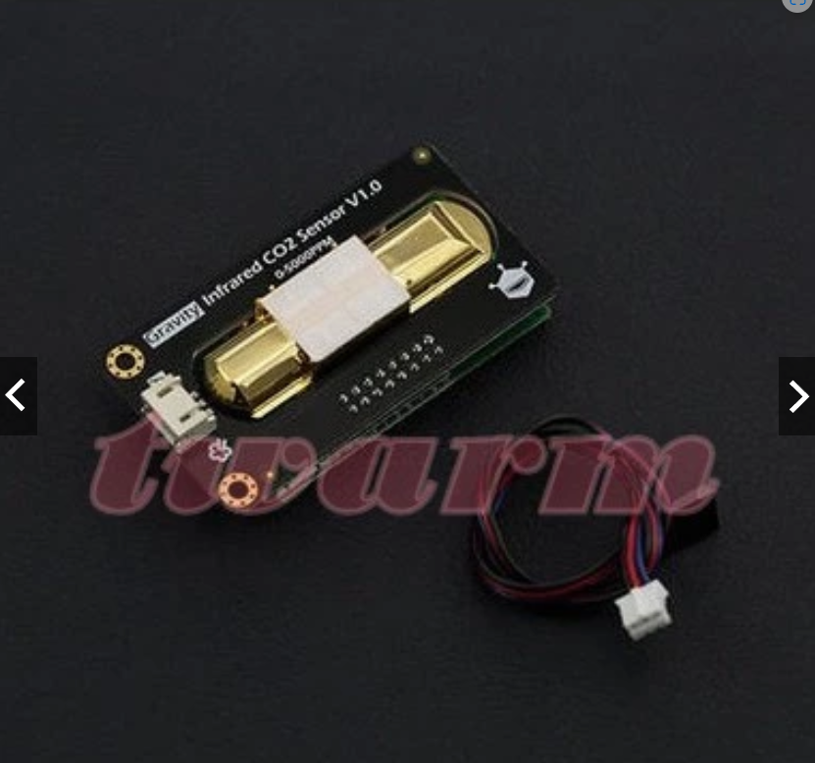 | https://shopee.tw/product/6760059/1165135996?d_id=c82f6&uls_trackid=514l82jm00ko&utm_content=2W3RhgaZF2kw5QV14LwTjKjSsGfh
 | 12 | Connecting Wires | Connecting wires are electrical conductors used to establish a physical connection between two or more components, devices, or circuits. | 1 | 9 | 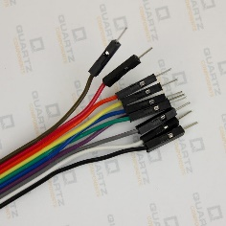 | https://shopee.tw/%E3%80%90%E5%82%91%E6%A3%AE%E5%89%B5%E5%B7%A5%E3%80%91%E6%9D%9C%E9%82%A6%E7%B7%9A-%E5%85%AC%E5%B0%8D%E5%85%AC-20cm-10%E6%A2%9D-12%E8%82%A1%E9%8A%85%E7%B5%B2%E5%90%AB%E8%86%A0%E6%AE%BC-Arduino-%E5%B0%88%E7%94%A8-i.20917936.348774243?xptdk=b3bac96c-f163-484e-a04e-b4421c7e8675

